SI-2 BCF exp. data
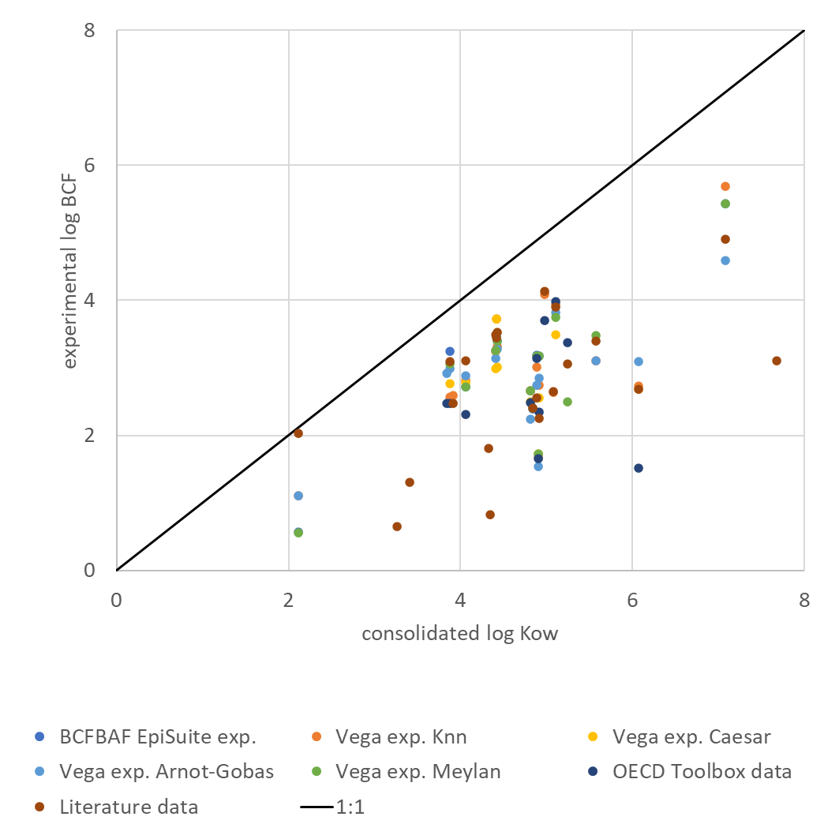
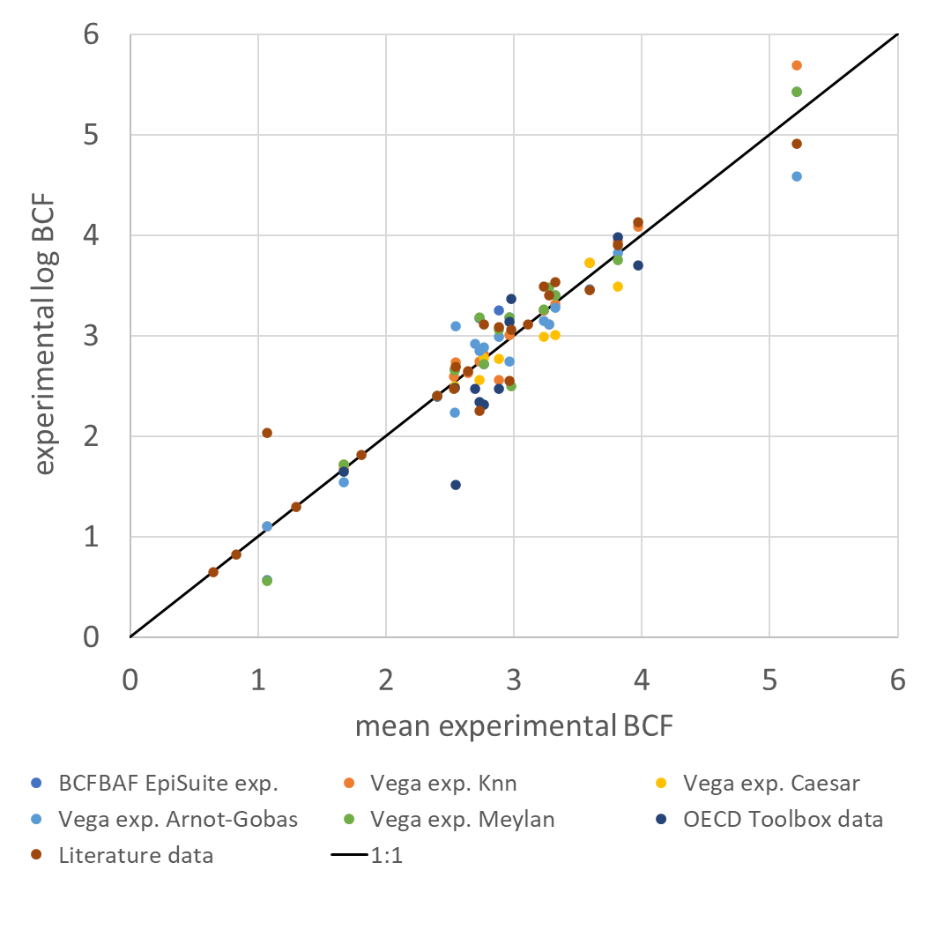
Table SI-2: Compilation and evaluation of experimental BCF data
No. | CAS | Name | BCFBAF EpiSuite exp. | Vega exp. Knn | Vega exp. Caesar | Vega exp. Arnot-Gobas | Vega exp. Meylan | OECD QSAR Toolbox data | OECD Toolbox data | Literatur (Lit. Screening, WP 1) | Literature data | Exp. MEAN log BCF | Exp. Median log BCF | Exp. Max (worst case) log BCF | Exp. MEAN BCF | log Kow | n | Range log BCF exp. | min | max
1 | 84-15-1 | o-Terphenyl |  | 3.11 |  | 3.11 | 3.48 |  |  | 2,7-4,11 | 3.40 | 3.28 | 3.26 | 4.11 | 1,883.65 | 5.58 | 4 | 1.41 | 2.70 | 4.11
3 | 72-43-5 | Methoxychlor |  |  |  |  | 2.50 | 2,82 - 3,92 | 3.37 | 2,79-3,33 | 3.06 | 2.98 | 3.06 | 3.92 | 947.69 | 5.25 | 3 | 1.42 | 2.50 | 3.92
6 | 319-85-7 | beta‐Hexachlorocyclohexane | 3.25 | 2.56 | 2.77 | 2.99 | 3.06 | 2.47 | 2.47 | 3,02-3,16 | 3.09 | 2.88 | 2.99 | 3.25 | 766.60 | 3.87 | 7 | 0.78 | 2.47 | 3.25
8 | 608-93-5 | Pentachlorobenzene |  | 3.93 | 3.49 | 3.82 | 3.75 | 3,6 - 4,36 | 3.98 | 3,88-3,93 | 3.91 | 3.81 | 3.86 | 4.36 | 6,508.79 | 5.11 | 6 | 0.87 | 3.49 | 4.36
9 | 87-86-5 | Pentachlorophenol | 2.66 | 2.67 | 2.50 | 2.24 | 2.66 | 2,29 - 2,68 | 2.49 |  |  | 2.54 | 2.58 | 2.68 | 343.14 | 4.81 | 6 | 0.44 | 2.24 | 2.68
19 | 35065-27-1 | PCB 153 | 5.43 | 5.69 |  | 4.59 | 5.43 |  |  | 3,95 - 5,87 | 4.91 | 5.21 | 5.43 | 5.87 | 162,509.97 | 7.08 | 5 | 1.92 | 3.95 | 5.87
21 | 86-73-7 | Fluorene | 2.72 | 2.81 | 2.78 | 2.88 | 2.72 | 1,76 - 2,86 | 2.31 | 3.11 | 3.11 | 2.76 | 2.78 | 3.11 | 578.17 | 4.06 | 7 | 1.35 | 1.76 | 3.11
22 | 85-01-8 | Phenanthrene | 3.40 | 3.31 | 3.01 | 3.28 | 3.40 |  |  | 2,85 - 3,79 | 3.53 | 3.32 | 3.36 | 3.79 | 2,101.36 | 4.43 | 6 | 0.94 | 2.85 | 3.79
23 | 120-12-7 | Anthracene | 3.26 | 3.25 | 2.99 | 3.14 | 3.26 |  |  | 2,28-3,78 | 3.49 | 3.23 | 3.25 | 3.78 | 1,705.10 | 4.41 | 6 | 0.79 | 2.99 | 3.78
25 | 129-00-0 | Pyrene | 3.18 | 2.75 | 2.56 | 2.85 | 3.18 | 1,7 - 2,99 | 2.34 | 1,36-3,13 | 2.25 | 2.73 | 2.75 | 3.18 | 535.80 | 4.91 | 7 | 1.82 | 1.36 | 3.18
27 | 50-32-8 | Benzo[a]pyrene |  | 2.73 | 2.69 | 3.10 |  | 0,48 - 2,56 | 1.52 | 2,58-2,8 | 2.69 | 2.55 | 2.69 | 3.10 | 350.91 | 6.07 | 5 | 1.58 | 1.52 | 3.10
42 | 2921-88-2 | Chlorpyrifos | 3.18 | 3.01 |  | 2.74 | 3.18 | 3.14 | 3.14 | 1,6-3,5 | 2.55 | 2.97 | 3.07 | 3.50 | 925.66 | 4.89 | 6 | 1.90 | 1.60 | 3.50
50 | 122-34-9 | Simazine | 0.56 | 1.11 |  | 1.11 | 0.56 |  |  | 0-2,33 | 2.03 | 1.07 | 1.11 | 2.33 | 11.85 | 2.12 | 5 | 2.33 | 0.00 | 2.33
51 | 886-50-0 | Terbutryn |  |  |  |  |  |  |  | 0,95-1,64 | 1.30 | 1.30 | 1.30 | 1.64 | 19.95 | 3.41 | 1 | 0.69 | 0.95 | 1.64
58 | 131860-33-8 | Azoxystrobin |  |  |  |  |  |  |  |  |  |  |  |  |  | 3.00 | 0
59 | 67747-09-5 | Prochloraz |  | 2.59 |  |  |  |  |  | 2,29-2,59 | 2.47 | 2.53 | 2.53 | 2.59 | 340.41 | 3.91 | 2 | 0.30 | 2.29 | 2.59
60 | 141517-21-7 | Trifloxystrobin |  | 2.63 |  |  |  |  |  | 2,57-2,73 | 2.65 | 2.64 | 2.64 | 2.73 | 438.53 | 5.08 | 2 | 0.16 | 2.57 | 2.73
67 | 15307-86-5 | Diclofenac |  |  |  |  |  |  |  | 0,7-0,95 | 0.83 | 0.83 | 0.83 | 0.95 | 6.71 | 4.35 | 1 | 0.25 | 0.70 | 0.95
75 | 54910-89-3 | Fluoxetine |  |  |  |  |  |  |  | 1,11-2,52 | 1.81 | 1.81 | 1.81 | 2.52 | 64.57 | 4.33 | 1 | 1.41 | 1.11 | 2.52
91 | 57-63-6 | 17a-Ethinylestradiol |  |  |  | 2.92 |  | 2,43 - 2,52 | 2.47 |  |  | 2.70 | 2.70 | 2.92 | 497.16 | 3.84 | 2 | 0.49 | 2.43 | 2.92
128 | 3380-34-5 | Triclosan | 1.72 | 1.67 | 1.72 | 1.54 | 1.72 | 0 - 3,3 | 1.65 |  |  | 1.67 | 1.69 | 3.30 | 46.72 | 4.91 | 6 | 3.30 | 0.00 | 3.30
134 | 70321-86-7 | UV 234 |  |  |  |  |  |  |  | 3.11 | 3.11 | 3.11 | 3.11 | 3.11 | 1,288.25 | 7.68 | 1 |  |  | 3.11
174 | 1763-23-1 | PFOS |  | 3.73 | 3.73 | 3.47 |  |  |  | 2,41-3,73 | 3.45 | 3.59 | 3.60 | 3.73 | 3,928.71 | 4.42 | 4 | 0.28 | 3.45 | 3.73
181 | 62037-80-3 | GenX |  |  |  |  |  |  |  | 0-0,9 | 0.65 | 0.65 | 0.65 | 0.90 | 4.47 | 3.26 | 1 |  |  | 0.90
184 | 556-67-2 | Octamethylcyclotetrasiloxane (D4) |  | 4.09 |  |  |  | 3.70 | 3.70 | 4,09-4,17 | 4.13 | 3.97 | 4.09 | 4.17 | 9,368.43 | 4.98 | 3 | 0.47 | 3.70 | 4.17
192 | 143-07-7 | Lauric Acid | 2.40 |  |  | 2.41 | 2.40 |  |  | 2.41 | 2.41 | 2.40 | 2.40 | 2.41 | 252.38 | 4.84 | 4 | 0.01 | 2.40 | 2.41
*Fußnote

SI-3 BCF QSAR data
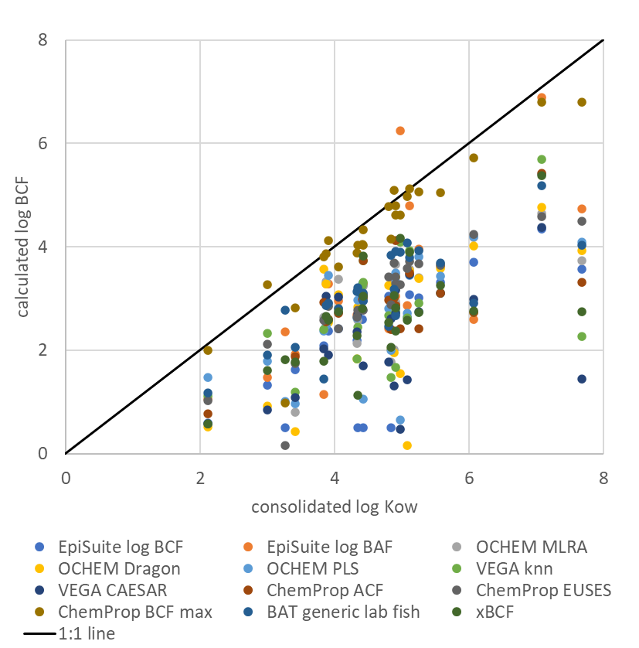
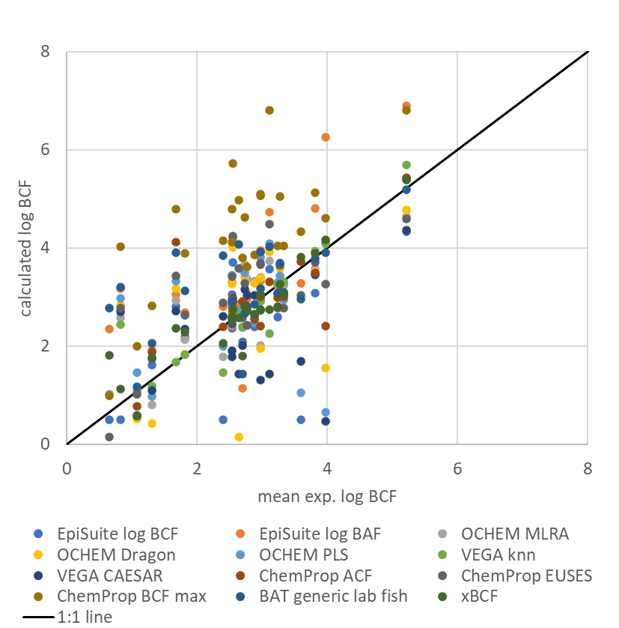
Table SI-3: Compilation and evaluation of BCF QSAR data
No. | CAS | Name | EpiSuite log BCF | EpiSuite log BAF | OCHEM MLRA | OCHEM Dragon | OCHEM PLS | VEGA knn | VEGA CAESAR | ChemProp ACF | ChemProp EUSES | ChemProp BCF max | BAT generic lab fish | xBCF | BCFpro P.promelas | BCFpro O.mykiss | BCFpro D.rerio | BCFpro Median | Mean log BCF calc. | Min log BCF calc. | Max log BCF calc. | Range log BCF calc. | Exp. MEAN log BCF | log Kow | n
"26 substances"
1 | 84-15-1 | o-Terphenyl | 3.31 | 3.63 | 3.67 | 3.59 | 3.44 | 3.11 | 3.10 | 3.11 | 3.65 | 5.05 | 3.69 | 3.26 | 3.56 | 3.34 | 3.79 | 3.56 | 3.43 | 3.10 | 3.69 | 0.59 | 3.28 | 5.58 | 13
3 | 72-43-5 | Methoxychlor | 3.02 | 3.95 | 3.40 | 3.39 | 3.81 | 2.91 | 2.74 | 2.41 | 3.67 | 5.07 | 3.92 | 2.73 | 3.77 | 3.60 | 4.01 | 3.77 | 3.31 | 2.41 | 3.95 | 1.54 | 2.98 | 5.25 | 13
6 | 319-85-7 | beta‐Hexachlorocyclohexane | 2.40 | 3.29 | 3.33 | 3.28 | 2.47 | 2.56 | 3.04 | 2.55 | 2.63 | 3.86 | 2.86 | 2.65 | 3.45 | 3.44 | 3.78 | 3.45 | 2.88 | 2.40 | 3.45 | 1.05 | 2.88 | 3.87 | 13
8 | 608-93-5 | Pentachlorobenzene | 3.08 | 4.80 | 3.57 | 3.53 | 3.45 | 3.93 | 3.46 | 3.49 | 3.71 | 5.12 | 3.79 | 3.90 | 4.08 | 4.03 | 4.82 | 4.08 | 3.73 | 3.08 | 4.80 | 1.72 | 3.81 | 5.11 | 13
9 | 87-86-5 | Pentachlorophenol | 3.05 | 2.41 |  | 3.26 | 2.80 | 2.67 | 1.78 | 2.97 | 3.42 | 4.79 | 2.46 | 2.53 | 3.09 | 3.01 | 3.39 | 3.09 | 2.77 | 1.78 | 3.42 | 1.64 | 2.54 | 4.81 | 12
19 | 35065-27-1 | PCB 153 | 4.34 | 6.89 | 4.64 | 4.77 | 5.40 | 5.69 | 4.37 | 5.43 | 4.59 | 6.80 | 5.18 | 5.38 | 4.25 | 4.19 | 5.51 | 4.25 | 5.08 | 4.25 | 6.89 | 2.64 | 5.21 | 7.08 | 13
21 | 86-73-7 | Fluorene | 2.42 | 2.96 | 3.38 | 3.08 | 2.74 | 2.81 | 3.03 | 2.72 | 2.42 | 3.62 | 2.80 | 2.74 | 3.54 | 3.49 | 3.81 | 3.54 | 2.89 | 2.42 | 3.54 | 1.13 | 2.76 | 4.06 | 13
22 | 85-01-8 | Phenanthrene | 3.27 | 3.09 | 3.24 | 2.99 | 2.95 | 3.31 | 3.06 | 3.01 | 2.78 | 4.04 | 3.10 | 3.04 | 3.62 | 3.53 | 4.02 | 3.62 | 3.12 | 2.78 | 3.62 | 0.84 | 3.32 | 4.43 | 13
23 | 120-12-7 | Anthracene | 2.60 | 3.06 | 3.23 | 2.98 | 3.29 | 3.25 | 3.06 | 2.99 | 2.78 | 4.04 | 3.08 | 2.81 | 3.95 | 3.83 | 4.62 | 3.95 | 3.09 | 2.60 | 3.95 | 1.35 | 3.23 | 4.41 | 13
25 | 129-00-0 | Pyrene | 2.89 | 2.89 | 3.67 | 3.41 | 3.49 | 2.75 | 3.16 | 2.86 | 3.28 | 4.62 | 2.67 | 2.81 | 3.57 | 3.38 | 3.86 | 3.57 | 3.12 | 2.67 | 3.67 | 1.00 | 2.73 | 4.91 | 13
27 | 50-32-8 | Benzo[a]pyrene | 3.71 | 2.60 | 4.18 | 4.01 | 4.20 | 2.73 | 2.98 | 2.73 | 4.24 | 5.72 | 2.91 | 2.75 | 4.09 | 3.92 | 4.96 | 4.09 | 3.43 | 2.60 | 4.24 | 1.64 | 2.55 | 6.07 | 13
42 | 2921-88-2 | Chlorpyrifos | 2.94 | 3.33 | 2.02 | 1.95 | 3.07 | 3.01 | 1.31 | 3.01 | 3.69 | 5.09 | 3.18 | 3.05 | 3.57 | 3.49 | 4.12 | 3.57 | 2.84 | 1.31 | 3.69 | 2.38 | 2.97 | 4.89 | 13
50 | 122-34-9 | Simazine | 0.59 | 1.06 |  | 0.52 | 1.47 | 1.11 | 0.58 | 0.77 | 1.03 | 2.00 | 1.17 | 0.57 | 2.44 | 2.41 | 2.52 | 2.44 | 1.03 | 0.52 | 2.44 | 1.92 | 1.07 | 2.12 | 12
51 | 886-50-0 | Terbutryn | 1.62 | 1.92 | 0.80 | 0.43 | 0.97 | 1.19 | 1.09 | 1.88 | 1.74 | 2.83 | 2.06 | 1.77 | 2.46 | 2.56 | 2.86 | 2.56 | 1.50 | 0.43 | 2.56 | 2.13 | 1.30 | 3.41 | 13
58 | 131860-33-8 | Azoxystrobin | 1.32 | 1.48 |  | 0.93 | 1.79 | 2.32 | 0.84 |  | 2.12 | 3.28 | 1.91 | 1.61 |  |  |  |  | 1.59 | 0.84 | 2.32 | 1.48 |  | 3.00 | 10
59 | 67747-09-5 | Prochloraz | 2.37 | 3.29 | 2.90 | 2.54 | 3.45 | 2.59 | 1.91 | 2.59 | 2.85 | 4.12 | 2.91 | 2.58 | 2.80 | 2.90 | 3.21 | 2.90 | 2.74 | 1.91 | 3.45 | 1.54 | 2.53 | 3.91 | 13
60 | 141517-21-7 | Trifloxystrobin | 2.64 | 2.86 |  | 0.15 | 2.72 | 2.63 | 1.43 |  | 3.58 | 4.97 | 4.07 | 2.58 | 3.58 | 3.55 | 3.81 | 3.58 | 2.62 | 0.15 | 4.07 | 3.92 | 2.64 | 5.08 | 11
67 | 15307-86-5 | Diclofenac | 0.50 | 3.17 | 2.58 | 2.83 | 2.97 | 2.44 | 2.70 |  | 2.78 | 4.03 | 3.21 | 1.12 | 2.92 | 2.79 | 3.09 | 2.92 | 2.47 | 0.50 | 3.21 | 2.71 | 0.83 | 4.35 | 12
75 | 54910-89-3 | Fluoxetine | 2.19 | 2.69 | 2.14 | 1.84 | 2.63 | 1.83 | 2.35 |  | 2.65 | 3.88 | 3.13 | 2.29 | 3.36 | 3.34 | 3.65 | 3.36 | 2.46 | 1.83 | 3.36 | 1.53 | 1.81 | 4.33 | 12
91 | 57-63-6 | 17a-Ethinylestradiol | 2.09 | 1.14 | 2.64 | 3.56 | 2.38 | 2.40 | 2.02 | 2.92 | 2.58 | 3.80 | 1.44 | 1.79 | 3.39 | 3.24 | 3.52 | 3.39 | 2.36 | 1.14 | 3.56 | 2.42 | 2.70 | 3.84 | 13
128 | 3380-34-5 | Triclosan | 2.81 | 3.05 | 2.93 | 3.18 | 3.33 | 1.67 | 2.71 | 4.12 | 3.43 | 4.79 | 3.91 | 2.37 | 3.28 | 3.27 | 3.56 | 3.28 | 3.06 | 1.67 | 4.12 | 2.45 | 1.67 | 4.91 | 13
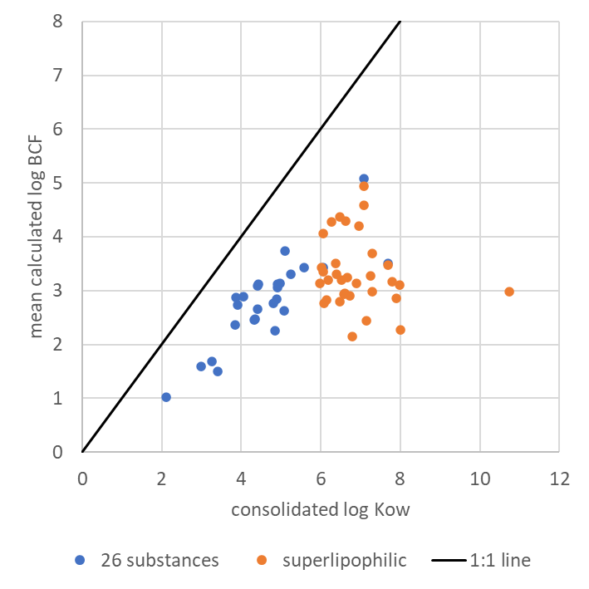
134 | 70321-86-7 | UV 234 | 3.57 | 4.73 | 3.74 | 3.92 | 4.09 | 2.26 | 1.44 | 3.31 | 4.49 | 6.80 | 4.03 | 2.74 | 3.82 | 3.64 | 4.37 | 3.82 | 3.51 | 1.44 | 4.73 | 3.29 | 3.11 | 7.68 | 13
174 | 1763-23-1 | PFOS | 0.50 | 3.28 |  |  | 1.05 | 3.73 | 1.70 | 3.73 | 3.03 | 4.33 | 2.96 | 3.82 | 2.85 | 2.75 | 3.12 | 2.85 | 2.67 | 0.50 | 3.82 | 3.32 | 3.59 | 4.42 | 11
181 | 62037-80-3 | GenX | 0.50 | 2.35 |  |  | 1.02 |  |  |  | 0.16 | 0.99 | 2.78 | 1.82 | 3.21 | 3.01 | 3.20 | 3.20 | 1.69 | 0.16 | 3.20 | 3.04 | 0.65 | 3.26 | 8
184 | 556-67-2 | Octamethylcyclotetrasiloxane (D4) | 4.11 | 6.25 |  | 1.55 | 0.65 | 4.09 | 0.47 | 2.41 | 3.27 | 4.61 | 3.90 | 4.17 | 3.64 | 3.27 | 3.74 | 3.64 | 3.14 | 0.47 | 6.25 | 5.78 | 3.97 | 4.98 | 12
192 | 143-07-7 | Lauric Acid | 0.50 | 2.81 | 1.78 | 2.02 | 2.00 | 1.47 | 2.61 | 2.40 | 2.88 | 4.15 | 3.84 | 2.06 | 2.66 | 2.60 | 2.83 | 2.66 | 2.25 | 0.50 | 3.84 | 3.34 | 2.40 | 4.84 | 13

"superhydrophobic"
10 | 2385-85-5 | Mirex | 4.21 | 6.19 | 4.57 | 5.19 | 4.88 | 3.48 | 2.50 |  | 4.60 | 6.15 | na | na | na | na | na | na | 4.20 | 2.50 | 6.19 | 3.69 | na | 6.96 | 9
11 | 50-29-3 | DDT | 4.23 | 6.36 | 4.49 | 4.67 | 4.96 | 3.61 | 4.19 | 4.41 | 4.65 | 6.36 | na | na | na | na | na | na | 4.29 | 2.41 | 6.36 | 3.95 | na | 6.63 | 10
12 | 72-54-8 | 4,4'-DDD | 3.64 | 6.21 | 4.32 | 4.50 | 4.60 | 3.94 | 4.17 | 4.92 | 4.34 | 5.83 | na | na | na | na | na | na | 4.06 | 2.55 | 6.21 | 3.66 | na | 6.05 | 10
13 | 72-55-9 | 4,4'-DDE | 3.96 | 5.89 | 4.42 | 4.58 | 4.65 | 4.51 | 4.17 | 4.07 | 4.34 | 5.83 | na | na | na | na | na | na | 4.38 | 3.49 | 5.89 | 2.40 | na | 6.48 | 10
17 | 32598-13-3 | PCB 77 | 4.63 | 5.30 | 4.35 | 4.43 | 4.70 | 4.07 | 4.62 | 4.62 | 4.56 | 6.02 | na | na | na | na | na | na | 4.28 | 2.97 | 5.30 | 2.33 | na | 6.28 | 10
18 | 41411-61-4 | PCB 142 | 4.40 | 6.97 | 4.64 | 4.77 | 4.62 | 4.70 | 4.38 | 4.75 | 4.59 | 6.80 | na | na | na | na | na | na | 4.94 | 4.38 | 6.97 | 2.59 | na | 7.08 | 10
19 | 35065-27-1 | PCB 153 | 4.34 | 6.89 | 4.64 | 4.77 | 5.40 | 5.69 | 4.37 | 5.43 | 4.59 | 6.80 | na | na | na | na | na | na | 4.58 | 2.42 | 6.89 | 4.47 | na | 7.08 | 10
27 | 50-32-8 | Benzo[a]pyrene | 3.71 | 2.60 | 4.18 | 4.01 | 4.20 | 2.73 | 2.98 | 2.73 | 4.24 | 5.72 | na | na | na | na | na | na | 3.36 | 2.60 | 4.20 | 1.60 | na | 6.07 | 10
29 | 84852-53-9 | Decabromodiphenylethan | 0.87 | 1.79 | 5.16 | 5.43 | 6.27 | 1.56 | 0.02 | 1.74 | -0.77 | 4.93 | na | na | na | na | na | na | 2.99 | 0.02 | 6.27 | 6.25 | na | 10.73 | 10
31 | 79-94-7 | 3,3',5,5'-Tetrabromobisphenol A | 4.02 | 2.86 | 3.13 | 3.68 | 4.14 | 2.48 | 1.74 | 2.48 | 4.66 | 6.59 | na | na | na | na | na | na | 3.13 | 1.74 | 4.14 | 2.40 | na | 6.89 | 10
32 | 87-82-1 | Hexabromobenzene | 3.67 | 3.10 | 3.70 | 3.89 | 3.75 | 3.21 | 3.29 | 3.01 | 4.65 | 6.41 | na | na | na | na | na | na | 3.51 | 2.73 | 4.24 | 1.51 | na | 6.37 | 10
33 | 85-22-3 | 2,3,4,5,6-Pentabromoethylbenzene | 3.89 | 2.08 |  |  | 3.67 | 3.31 | 3.08 | 2.65 | 4.65 | 6.43 | na | na | na | na | na | na | 3.25 | 2.08 | 3.89 | 1.81 | na | 6.67 | 8
34 | 37853-59-1 | 1,2-Bis(2,4,6-tribromophenoxy)ethane | 3.07 | 6.37 | 3.70 | 3.69 | 5.28 | 2.57 | 1.53 | 3.16 | 4.36 | 6.74 | na | na | na | na | na | na | 3.11 | 0.77 | 6.37 | 5.60 | na | 7.98 | 10
35 | 39569-21-6 | 2,3,4,5-Tetrabromo-6-chlorotoluene | 4.12 | 4.60 | 3.86 | 3.80 | 3.45 | 3.98 | 3.48 | 3.98 | 4.56 | 6.02 | na | na | na | na | na | na | 3.43 | 1.74 | 4.60 | 2.86 | na | 6.01 | 10
36 | 183658-27-7 | 2-Ethylhexyl 2,3,4,5-Tetrabromobenzoate | 3.27 | 3.32 | 3.42 | 3.38 | 3.80 | 1.90 | 1.60 |  | 4.53 | 6.81 | na | na | na | na | na | na | 2.85 | 1.60 | 3.80 | 2.20 | na | 7.90 | 9
37 | 87-83-2 | 2,3,4,5,6-Pentabromotoluene | 4.28 | 2.10 | 3.88 | 3.80 | 3.48 | 2.46 | 3.32 | 2.69 | 4.60 | 6.13 | na | na | na | na | na | na | 3.20 | 2.10 | 4.28 | 2.18 | na | 6.20 | 10
44 | 52918-63-5 | Deltamethrin | 2.50 | 3.25 | 3.12 | 3.00 | 2.65 | 3.15 | 1.38 | 2.51 | 3.84 | 5.27 | na | na | na | na | na | na | 2.83 | 1.38 | 3.58 | 2.20 | na | 6.15 | 10
45 | 52645-53-1 | Permethrin | 2.70 | 3.02 | 3.36 | 3.39 | 3.32 | 2.84 | 2.11 | 2.65 | 3.81 | 5.23 | na | na | na | na | na | na | 2.94 | 2.11 | 3.39 | 1.28 | na | 6.59 | 10
129 | 90035-08-8 | Flocoumafen | 3.33 | 5.95 | 2.51 | 2.30 | 4.40 | 3.28 | 0.92 |  | 4.59 | 6.81 | na | na | na | na | na | na | 3.17 | 0.92 | 5.95 | 5.03 | na | 7.79 | 9
130 | 56073-07-5 | Difenacoum | 3.82 | 6.10 | 3.81 | 4.29 | 4.45 |  | 1.52 |  | 4.62 | 6.78 | na | na | na | na | na | na | 3.68 | 1.52 | 6.10 | 4.58 | na | 7.29 | 8
134 | 70321-86-7 | UV 234 | 3.57 | 4.73 | 3.74 | 3.92 | 4.09 | 2.26 | 1.44 | 3.31 | 4.49 | 6.80 | na | na | na | na | na | na | 3.48 | 1.44 | 4.73 | 3.29 | na | 7.68 | 10
135 | 3147-75-9 | UV 329 | 3.77 | 4.07 | 2.85 | 2.89 | 2.34 | 2.65 | 1.79 | 3.32 | 4.32 | 5.81 | na | na | na | na | na | na | 3.13 | 1.79 | 4.49 | 2.70 | na | 5.97 | 10
140 | 6197-30-4 | octocrylene | 4.21 | 2.49 | 3.27 | 3.39 | 2.81 | 1.96 | 1.63 |  | 4.20 | 5.67 | na | na | na | na | na | na | 2.95 | 1.63 | 4.21 | 2.58 | na | 6.61 | 9
146 | 117-81-7 | Di(2-ethylhexyl)phthalate | 3.23 | 3.02 | 2.76 | 2.71 | 2.78 | 1.99 | 1.51 | 1.19 | 4.65 | 6.71 | na | na | na | na | na | na | 2.27 | 0.16 | 3.23 | 3.07 | na | 8.00 | 10
154 | 732-26-3 | 2,4,6-Tri-tert-butylphenol | 3.44 | 5.71 | 2.63 | 3.55 | 1.79 | 4.18 | 2.74 | 4.14 | 4.62 | 6.25 | na | na | na | na | na | na | 3.30 | 1.79 | 5.71 | 3.93 | na | 6.41 | 10
183 | 141-63-9 | Dodecamethylpentasiloxane (L5) | 2.84 | 5.91 | 0.16 | 2.10 | 0.64 | 4.09 | 0.95 | 2.26 | 4.49 | 6.80 | na | na | na | na | na | na | 2.44 | 0.16 | 5.91 | 5.75 | na | 7.15 | 10
186 | 540-97-6 | Dodecamethylcyclohexasiloxane (D6) | 3.11 | 5.90 | -0.11 | 1.37 | 0.65 | 4.09 | 0.08 | 2.27 | 4.66 | 6.66 | na | na | na | na | na | na | 2.16 | -0.11 | 5.90 | 6.01 | na | 6.79 | 10
208 | 143-27-1 | Hexadecylamine | 2.73 | 4.43 | 1.63 | 3.03 | 2.53 | 1.57 | 2.66 | 2.65 | 4.23 | 5.71 | na | na | na | na | na | na | 2.90 | 1.57 | 4.60 | 3.03 | na | 6.72 | 10
211 | 13417-08-8 | N-Methylhexadecylamine | 3.43 | 5.34 | 2.02 | 2.98 | 2.83 | 1.27 | 2.49 | 2.26 | 4.62 | 6.25 | na | na | na | na | na | na | 3.27 | 1.27 | 5.34 | 4.07 | na | 7.26 | 10
216 | 17373-29-4 | N,N-Dimethyltridecylamine | 2.21 | 2.55 | 2.03 | 2.45 | 2.40 | 1.20 | 2.81 |  | 3.97 | 5.42 | na | na | na | na | na | na | 2.77 | 1.20 | 4.92 | 3.72 | na | 6.08 | 9
217 | 112-75-4 | N,N-Dimethyltetradecylamine | 2.53 | 2.64 | 2.17 | 2.63 | 2.55 | 1.53 | 2.68 |  | 4.35 | 5.84 | na | na | na | na | na | na | 2.79 | 1.53 | 4.34 | 2.81 | na | 6.47 | 9
218 | 112-69-6 | N,N-Dimethylhexadecylamine | 3.33 | 2.98 | 2.38 | 2.91 | 2.85 | 1.28 | 1.95 | 2.37 | 4.66 | 6.56 | na | na | na | na | na | na | 2.98 | 1.28 | 4.62 | 3.34 | na | 7.30 | 10
229 | 37612-69-4 | C18 benzalkonium Kation | 1.85 | 3.06 | 3.70 | 4.44 | 3.87 | 1.96 | 0.55 |  | 3.80 | 6.42 | na | na | na | na | na | na | 3.20 | 0.55 | 4.75 | 4.20 | na | 6.52 | 9
*Fußnote

