SI-2 acid pKa 4 - 10
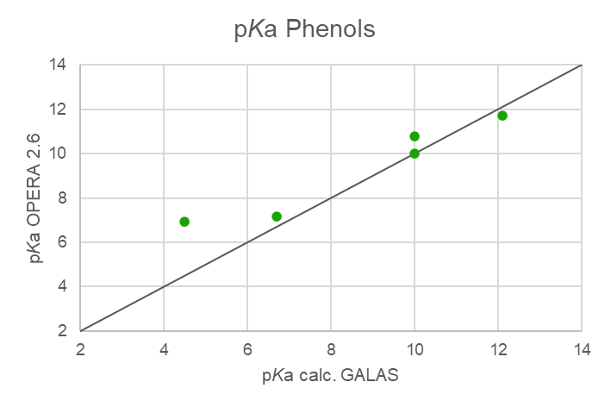
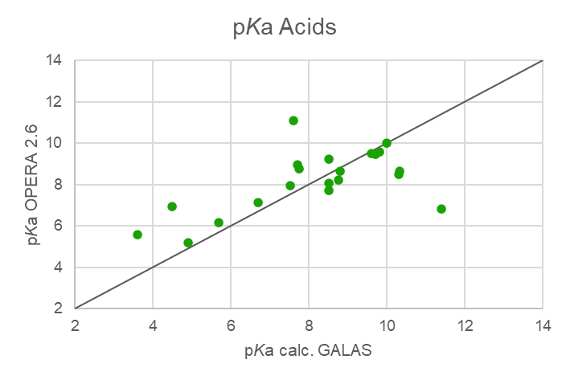
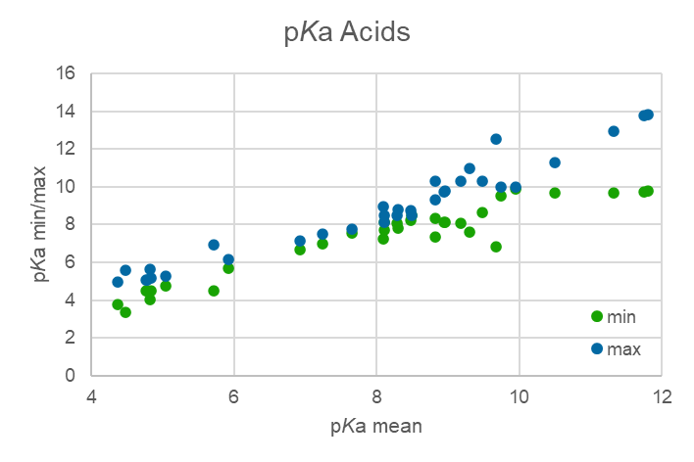
Table SI-2: Data for acids with pKa between 4 and 10.
 |  |  |  | Experimental |  |  |  | RAX |  |  |  | ACD Labs |  |  |  |  |  |  |  |  |  |  |  |  |  |  |  |  |  |  |  |  |  |  |  | Ionisation
CAS | Name | SMILES | Molwt | pKa ECHA exp. | pKa EAS-E Suite exp. | CompTox pKa acidic exp. | CompTox pKa basic exp. | CompTox pKa acidic OPERA 2.6 | CompTox pKa basic OPERA 2.6 | OPERA 2.9 pKa acidic | OPERA 2.9 pKa basic | CompTox pKa acidic ACD | CompTox pKa basic ACD | KN: pKa (acid) 1. value ACD Galas | KN: pKa (acid) 2. value ACD Galas | KN: pKa (base) 1. value ACD Galas | KN: pKa (base) 2. value ACD Galas | NU: pKa (acid) ACD Profiler 1. value | NU: pKa (acid) ACD Profiler 2. value | NU: pKa (base) ACD Profiler 1. value | NU: pKa (base) ACD Profiler 2. value | NU: pKa (acid) ACD classic 1. value | NU: pKa (acid) ACD classic 2. value | NU: pKa (basic) ACD classic 1. value | NU: pKa (basic) ACD classic 2. value | NU: pKa (acid) ACD Galas 1. value | NU: pKa (acid) ACD Galas 2. value | NU: pKa (basic) ACD Galas 1. value | NU: pKa (basic) ACD Galas 2. value | min | max | range | mean (min/max) | mean (all) |  | EAS-E Suite pH 7,4 | OPERA 2.9 % ionisation | NU: ACD Galas 100 % Neutral form (pH = 7.00)
95-95-4 | 2,4,5-Trichlorophenol | OC1=C(Cl)C=C(Cl)C(Cl)=C1 | 197.44 | --- | --- |  |  | 7.15 |  | 7.15 |  | 7.15 | 7.10 | 6.70 | 6.70 |  |  | 7.10 |  |  |  | 7.10 |  |  |  | 6.70 |  |  |  | 6.70 | 7.15 | 0.45 | 6.93 | 6.98 | -0.06
87-86-5 | Pentachlorophenol | OC1=C(Cl)C(Cl)=C(Cl)C(Cl)=C1Cl | 266.32 | --- | --- |  |  | 6.95 |  | 6.95 |  |  | 4.68 | 4.49 | 4.49 |  |  | 4.68 |  |  |  | 4.68 |  |  |  | 4.49 |  |  |  | 4.49 | 6.95 | 2.46 | 5.72 | 5.37 | 0.35
86479-06-3 | Hexaflumuron | FC(F)C(F)(F)OC1=C(Cl)C=C(NC(=O)NC(=O)C2=C(F)C=CC=C2F)C=C1Cl | 461.14 | --- |  |  |  | 11.10 |  |  |  | -2.15 | 8.54 | 7.60 |  |  |  | 8.54 | 15.05 | -2.15 | -3.05 | 8.54 | 15.05 | -2.15 | -3.05 | 7.60 |  |  |  | 7.60 | 11.00 | 3.40 | 9.30 | 8.68 | 0.62 | neutral | 0.00 | 0.80
886-50-0 | Terbutryn | CCNC1=NC(SC)=NC(NC(C)(C)C)=N1 | 241.36 | --- |  |  |  |  | 5.62 |  | 5.62 |  | 4.03 |  |  | 4.10 | -1.46 |  |  | -1.95 | 4.03 |  |  | -1.95 | 4.03 |  |  | -1.46 | 4.10 | 4.03 | 5.62 | 1.59 | 4.83 |  |  | neutral | 1.00 | 1.00
1836-77-7 | Chlornitrofen | [O-][N+](=O)C1=CC=C(OC2=C(Cl)C=C(Cl)C=C2Cl)C=C1 | 318.53 | --- |  |  |  | 8.11 |  | 8.11 |  |  |  |  |  |  |  |  |  |  |  |  |  |  |  |  |  |  |  | 8.11 | 8.11 | 0.00 | 8.11 | 8.11 | 0.00 | neutral | 1.00 | 1.00
141517-21-7 | Trifloxystrobin | CO\N=C(\C(=O)OC)C1=CC=CC=C1CO\N=C(/C)C1=CC(=CC=C1)C(F)(F)F | 408.38 | --- |  |  |  |  |  |  | 5.50 |  |  |  |  |  |  |  |  |  |  |  |  |  |  |  |  |  |  | 8.50 | 8.50 | 0.00 | 8.50 |  |  | neutral | 1.00 | 1.00
125225-28-7 | Ipconazole | CC(C)C1CCC(CC2=CC=C(Cl)C=C2)C1(O)CN1C=NC=N1 | 333.86 | --- |  |  |  |  |  | 9.74 |  |  |  | 13.68 |  | 1.76 |  | 13.76 |  | 3.06 |  | 13.76 |  | 3.06 |  | 13.68 |  | 1.76 |  | 9.74 | 13.76 | 4.02 | 11.75 | 12.92 | -1.17 | neutral | 1.00 | 1.00
125116-23-6 | Metconazole | CC1(C)CCC(CC2=CC=C(Cl)C=C2)C1(O)CN1C=NC=N1 | 319.83 | --- |  |  |  |  |  | 9.84 |  |  |  | 13.58 |  | 1.76 |  | 13.82 |  | 3.06 |  | 13.82 |  | 3.06 |  | 13.68 |  | 1.76 |  | 9.80 | 13.82 | 4.02 | 11.81 | 12.95 | -1.14 | neutral | 1.00 | 1.00
723-46-6 | Sulfamethoxazole | CC1=CC(NS(=O)(=O)C2=CC=C(N)C=C2)=NO1 | 253.28 | --- |  |  |  | 6.18 |  | 6.18 |  | 1.39 | 5.81 | 5.68 |  |  |  | 5.81 |  | -4.25 | 1.39 | 5.81 |  | -4.25 | 1.39 | 5.68 |  | 1.80 |  | 5.68 | 6.18 | 0.50 | 5.93 | 5.89 | 0.04 | neutral | 1.00 | 0.05
13292-46-1 | Rifampicin | CO[C@H]1\C=C\O[C@@]2(C)OC3=C(C2=O)C2=C(C(O)=C3C)C(O)=C(NC(=O)\C(C)=C/C=C/[C@H](C)[C@H](O)[C@@H](C)[C@@H](O)[C@@H](C)[C@H](OC(C)=O)[C@@H]1C)C(\C=N\N1CCN(C)CC1)=C2O | 822.95 | --- |  |  |  |  | 5.91 |  | 5.91 |  |  | 3.78 | 6.51 | 8.09 | -0.19 | 4.96 | 8.84 | -0.14 | 7.30 | 4.96 | 8.84 | -0.14 | 7.30 | 3.78 | 6.51 | -0.18 | 8.09 | 3.78 | 4.95 | 1.17 | 4.37 | 4.37 | 0.00 | neutral | 1.00 | 0.00
169590-42-5 | Celecoxib | CC1=CC=C(C=C1)C1=CC(=NN1C1=CC=C(C=C1)S(N)(=O)=O)C(F)(F)F | 381.37 | --- |  |  |  |  |  | 12.97 | 0.87 |  |  | 10.30 |  | -1.40 |  | 9.68 |  | -8.63 | -3.81 | 9.68 |  | -8.63 | -3.81 | 10.03 |  | -1.40 |  | 9.68 | 12.97 | 3.29 | 11.33 | 10.53 | 0.79 | neutral | 1.00 | 1.00
17924-92-4 | Zearalenone | C[C@H]1CCCC(=O)CCC\C=C\C2=C(C(O)=CC(O)=C2)C(=O)O1 | 318.37 | --- |  |  |  | 8.77 |  | 8.77 |  |  | 7.58 | 7.74 | 10.16 |  |  | 7.58 | 8.80 |  |  | 7.58 | 8.80 |  |  | 7.74 | 10.16 |  |  | 7.58 | 7.74 | 0.16 | 7.66 | 8.03 | -0.37 | neutral | 1.00 | 0.85
136-77-6 | 4-Hexylresorcinol | CCCCCCC1=C(O)C=C(O)C=C1 | 194.27 | --- |  |  |  | 9.50 |  | 9.50 |  |  | 10.00 | 9.60 | 11.97 |  |  | 10.00 | 11.35 |  |  | 10.00 |  |  |  | 9.60 |  |  |  | 9.50 | 10.00 | 0.50 | 9.75 | 9.70 | 0.05 | neutral | 1.00 | 1.00
1369852-71-0 | Lotilaner | CC1=C(SC(=C1)C1=NO[C@@](C1)(C1=CC(Cl)=C(Cl)C(Cl)=C1)C(F)(F)F)C(=O)NCC(=O)NCC(F)(F)F | 596.75 | --- | --- |  |  | 6.84 |  | 6.84 |  |  | 44.00 | 11.40 | 13.43 |  |  | 12.52 | 14.82 | -6.41 | -2.19 | 12.52 | 14.82 | -6.41 | -2.19 | 11.39 | 13.43 |  |  | 6.84 | 12.52 | 5.68 | 9.68 | 10.25 | -0.57 | --- | 1.00 | 1.00
5153-25-3 | 2-Ethylhexyl paraben | CCCCC(CC)COC(=O)C1=CC=C(O)C=C1 | 250.34 | --- |  |  |  | 8.08 |  |  |  |  | 8.20 | 8.50 |  |  |  | 8.20 |  |  |  | 8.20 |  |  |  | 8.50 |  |  |  | 8.08 | 8.50 | 0.42 | 8.29 | 8.30 | -0.01 | neutral |  | 0.97
120-47-8 | Ethylparaben | CCOC(=O)C1=CC=C(O)C=C1 | 166.18 | 8.40 | 9.34 | 9.34 |  | 9.24 |  | 9.24 |  |  | 8.31 | 8.50 |  |  |  | 8.31 |  |  |  | 8.31 |  |  |  | 8.50 |  |  |  | 8.31 | 9.34 | 1.03 | 8.83 | 8.80 | 0.03 |  | 1.00 | 0.97
1085-12-7 | Heptylparaben | CCCCCCCOC(=O)C1=CC=C(O)C=C1 | 236.31 | --- |  |  |  | 7.72 |  | 7.72 |  |  | 8.23 | 8.50 |  |  |  | 8.23 |  |  |  | 8.23 |  |  |  | 8.50 |  |  |  | 7.72 | 8.50 | 0.78 | 8.11 | 8.15 | -0.04 | neutral | 1.00 | 0.97
25485-88-5 | Cyclohexyl Salicylate | OC1=C(C=CC=C1)C(=O)OC1CCCCC1 | 220.27 | --- |  |  |  | 9.58 |  |  |  |  | 8.13 | 9.80 |  |  |  | 8.13 |  |  |  | 8.13 |  |  |  | 9.80 |  |  |  | 8.13 | 9.80 | 1.67 | 8.97 | 9.09 | -0.12 | neutral |  | 1.00
3380-34-5 | Triclosan | OC1=C(OC2=CC=C(Cl)C=C2Cl)C=CC(Cl)=C1 | 289.54 | 8.14 |  |  |  | 8.66 |  | 8.66 |  |  | 7.80 | 8.80 |  |  |  | 7.80 |  |  |  | 7.80 |  |  |  | 8.80 |  |  |  | 7.80 | 8.80 | 1.00 | 8.30 | 8.38 | -0.08 | neutral | 1.00 | 0.98
90035-08-8 | Flocoumafen | OC1=C(C2CC(CC3=CC=CC=C23)C2=CC=C(OCC3=CC=C(C=C3)C(F)(F)F)C=C2)C(=O)OC2=CC=CC=C12 | 542.55 | --- |  |  |  |  |  |  |  |  | 4.50 | 5.07 |  |  |  | 4.50 |  |  |  | 4.50 |  |  |  | 5.07 |  |  |  | 4.50 | 5.07 | 0.57 | 4.79 | 4.79 | 0.00 | neutral | 0.00 | 0.01
56073-07-5 | Difenacoum | OC1=C(C2CC(CC3=CC=CC=C23)C2=CC=C(C=C2)C2=CC=CC=C2)C(=O)OC2=CC=CC=C12 | 444.53 | --- |  |  |  |  |  |  |  |  | 4.50 | 5.05 |  |  |  | 4.50 |  |  |  | 4.50 |  |  |  | 5.05 |  |  |  | 4.50 | 5.05 | 0.55 | 4.78 | 4.78 | 0.00 | neutral | 0.00 | 0.01
81-81-2 | Warfarin | CC(=O)CC(C1=CC=CC=C1)C1=C(O)C2=CC=CC=C2OC1=O | 308.33 | 5.19 |  |  |  |  |  |  |  |  | 4.50 | 4.86 |  |  |  | 4.50 |  |  |  | 4.50 |  |  |  | 4.86 |  |  |  | 4.50 | 5.19 | 0.69 | 4.85 | 4.78 | 0.06 | neutral | 0.00 | 0.01
70321-86-7 | UV 234 | CC(C)(C1=CC=CC=C1)C1=CC(N2N=C3C=CC=CC3=N2)=C(O)C(=C1)C(C)(C)C1=CC=CC=C1 | 447.58 | --- |  |  |  | 8.66 |  |  |  | 0.59 | 9.64 | 10.32 |  | -1.23 |  | 9.64 |  | 0.59 |  | 9.64 |  | 0.59 |  | 10.32 |  | -1.23 |  | 8.66 | 10.32 | 1.66 | 9.49 | 9.72 | -0.23 | neutral |  | 1.00
3147-75-9 | UV 329 | CC(C)(C)CC(C)(C)C1=CC(N2N=C3C=CC=CC3=N2)=C(O)C=C1 | 323.44 | --- |  |  |  | 8.49 |  |  |  | 0.73 | 8.07 | 10.30 |  | -1.01 |  | 8.07 |  | 0.73 |  | 8.07 |  | 0.73 |  | 10.30 |  | -1.01 |  | 8.07 | 10.30 | 2.23 | 9.19 | 9.05 | 0.14 | neutral |  | 1.00
2240-22-4 | UV-P | Cc1ccc(c(c1)n2nc3ccccc3n2)O | 225.25 | --- |  |  |  |  |  | 7.34 |  |  |  | 10.30 |  | -1.01 |  | 8.15 |  | 0.74 |  | 8.15 |  | 0.74 |  | 10.30 |  | -1.01 |  | 7.34 | 10.30 | 2.96 | 8.82 | 8.85 | -0.03 | neutral | 1.00 | 1.00
131-55-5 | 2,2',4,4'-Tetrahydroxybenzophenone | OC1=CC(O)=C(C=C1)C(=O)C1=CC=C(O)C=C1O | 246.22 | --- |  |  |  | 7.95 |  | 7.95 |  |  | 5.99 | 7.51 | 8.29 |  |  | 6.98 | 7.68 |  |  | 6.98 | 7.68 |  |  | 7.51 | 8.29 |  |  | 6.98 | 7.51 | 0.53 | 7.25 | 7.48 | -0.24 | neutral | 1.00 | 0.76
70356-09-1 | BMDM | COC1=CC=C(C=C1)C(=O)CC(=O)C1=CC=C(C=C1)C(C)(C)C | 310.39 | --- |  |  |  |  |  |  |  |  | 9.74 | 8.15 |  |  |  | 9.74 |  |  |  | 9.74 |  |  |  | 8.15 |  |  |  | 8.15 | 9.74 | 1.59 | 8.95 | 8.95 | 0.00 | neutral | 0.00 | 0.93
80-05-7 | Bisphenol A | CC(C)(C1=CC=C(O)C=C1)C1=CC=C(O)C=C1 | 228.29 | 11.30 |  |  |  | 9.46 |  |  |  |  | 10.30 | 9.70 | 10.47 |  |  | 10.29 | 10.93 |  |  | 10.29 | 10.93 |  |  | 9.70 | 10.47 |  |  | 9.70 | 11.30 | 1.60 | 10.50 | 10.12 | 0.38 | neutral |  | 1.00
1478-61-1 | Bisphenol AF | OC1=CC=C(C=C1)C(C1=CC=C(O)C=C1)(C(F)(F)F)C(F)(F)F | 336.23 | --- |  |  |  | 8.22 |  |  |  |  | 8.74 | 8.75 | 9.53 |  |  | 8.74 | 9.38 |  |  | 8.74 | 9.38 |  |  | 8.75 | 9.53 |  |  | 8.22 | 8.75 | 0.53 | 8.49 | 8.64 | -0.16 | neutral |  | 0.98
131-70-4 | mono‐n‐butyl phthalate | CCCCOC(=O)C1=C(C=CC=C1)C(O)=O | 222.24 | --- |  |  |  | 5.59 |  |  |  |  | 3.38 | 3.60 |  |  |  | 3.38 |  |  |  | 3.38 |  |  |  | 3.60 |  |  |  | 3.38 | 5.59 | 2.21 | 4.48 | 3.91 | 0.57 | neutral |  | 0.00
41481-66-7 | 4,4'-Sulfonylbis[2-(prop-2-en-1-yl)phenol] | OC1=C(CC=C)C=C(C=C1)S(=O)(=O)C1=CC(CC=C)=C(O)C=C1 | 330.40 | --- |  |  |  | 8.97 |  | 8.97 |  |  | 7.22 | 7.70 | 8.47 |  |  | 7.22 | 8.00 |  |  | 7.22 | 8.00 |  |  | 7.70 | 8.47 |  |  | 7.22 | 8.97 | 1.75 | 8.10 | 7.96 | 0.13 | neutral | 1.00 | 0.83
108-95-2 | Phenol | OC1=CC=CC=C1 | 94.11 | 9.90 | 9.97 | 9.97 | 9.90 | 10.00 |  |  |  |  | 9.86 | 10.00 |  |  |  | 9.86 |  |  |  | 9.86 |  |  |  | 10.00 |  |  |  | 9.90 | 10.00 | 0.10 | 9.95 | 9.94 | 0.01 |  | 0.00 | 1.00
143-07-7 | Lauric Acid | CCCCCCCCCCCC(=O)(O) | 200.32 | 5.30 | 4.89 | 4.89 |  | 5.19 |  |  |  |  | 4.78 | 4.90 |  |  |  | 4.78 |  |  |  | 4.78 |  |  |  | 4.90 |  |  |  | 4.78 | 5.30 | 0.52 | 5.04 | 4.95 | 0.09 |  |  | 0.01
*Fußnote |  |  |  |  |  |  |  |  |  |  |  |  |  |  |  |  |  |  |  | Quelle: Umweltbundesamt

SI-3 base pka 4 - 10
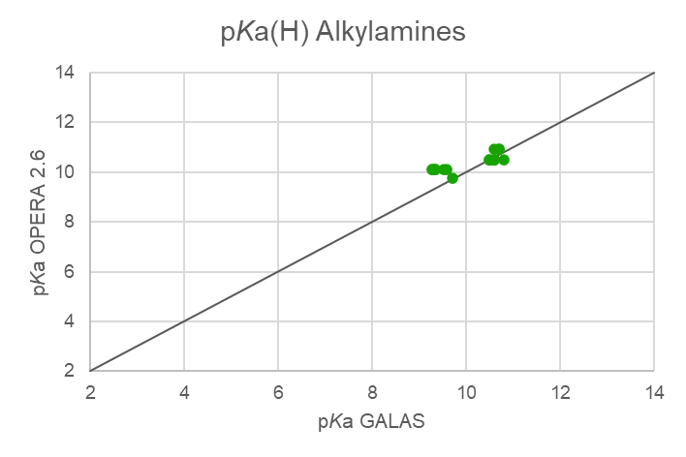
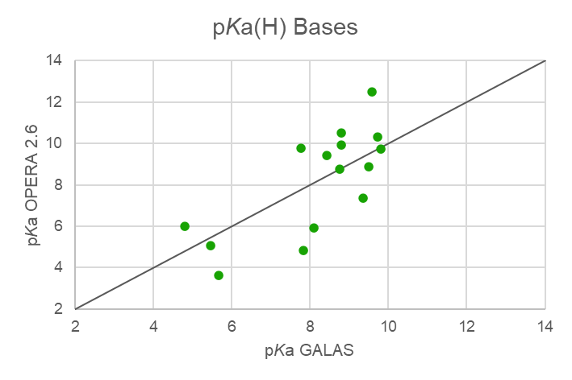
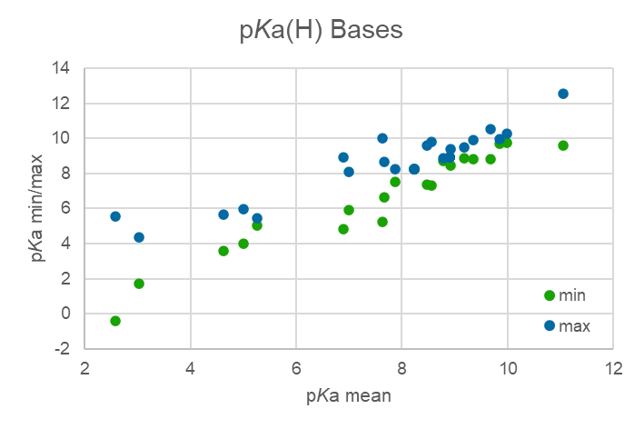
Table SI-3: Data for bases with pKa between 4 and 10.
 |  |  |  | Experimental |  |  |  | RAX |  |  |  | ACD Labs |  |  |  |  |  |  |  |  |  |  |  |  |  |  |  |  |  |  |  |  |  | Ionisation
CAS | Name | SMILES | Molwt | pKa ECHA exp. | pKa EAS-E Suite exp. | CompTox pKa acidic exp. | CompTox pKa basic exp. | CompTox pKa acidic OPERA 2.6 | CompTox pKa basic OPERA 2.6 | OPERA 2.9 pKa acidic | OPERA 2.9 pKa basic | CompTox pKa acidic ACD | CompTox pKa basic ACD | KN: pKa (acid) 1. value ACD Galas | KN: pKa (acid) 2. value ACD Galas | KN: pKa (base) 1. value ACD Galas | KN: pKa (base) 2. value ACD Galas | NU: pKa (acid) ACD Profiler 1. value | NU: pKa (acid) ACD Profiler 2. value | NU: pKa (base) ACD Profiler 1. value | NU: pKa (base) ACD Profiler 2. value | NU: pKa (acid) ACD classic 1. value | NU: pKa (acid) ACD classic 2. value | NU: pKa (basic) ACD classic 1. value | NU: pKa (basic) ACD classic 2. value | NU: pKa (acid) ACD Galas 1. value | NU: pKa (acid) ACD Galas 2. value | NU: pKa (basic) ACD Galas 1. value | NU: pKa (basic) ACD Galas 2. value | min | max | range | mean (min/max) | EAS-E Suite pH 7,4 | OPERA 2.9 % ionisation | NU: ACD Galas 100 % Neutral form (pH = 7.00)
5915-41-3 | Terbuthylazine | CCNC1=NC(NC(C)(C)C)=NC(Cl)=N1 | 229.71 | --- |  |  |  |  |  |  | 4.34 |  |  |  |  | 1.70 |  |  |  | -2.42 | 2.69 |  |  | -2.42 | 2.69 |  |  |  |  | 1.70 | 4.34 | 2.64 | 3.02 | neutral | 1.00 | 1.00
67747-09-5 | Prochloraz | CCCN(CCOC1=C(Cl)C=C(Cl)C=C1Cl)C(=O)N1C=CN=C1 | 376.66 | --- |  |  |  |  | 3.63 |  | 3.63 |  | 4.84 |  |  | 5.66 |  |  |  | 4.84 | -1.71 |  |  | -1.71 | 4.84 |  |  | 5.66 |  | 3.60 | 5.66 | 2.06 | 4.63 | neutral | 1.00 | 0.96
13292-46-1 | Rifampicin | CO[C@H]1\C=C\O[C@@]2(C)OC3=C(C2=O)C2=C(C(O)=C3C)C(O)=C(NC(=O)\C(C)=C/C=C/[C@H](C)[C@H](O)[C@@H](C)[C@@H](O)[C@@H](C)[C@H](OC(C)=O)[C@@H]1C)C(\C=N\N1CCN(C)CC1)=C2O | 822.95 | --- |  |  |  |  | 5.91 |  | 5.91 |  |  | 3.78 | 6.51 | 8.09 | -0.19 | 4.96 | 8.84 | 7.30 | -0.14 | 4.96 | 8.84 | 7.30 | -0.14 | 3.78 | 6.51 | 8.09 | -0.18 | 5.90 | 8.10 | 2.20 | 7.00 | neutral | 1.00 | 0.00
54910-89-3 | Fluoxetine | CNCCC(OC1=CC=C(C=C1)C(F)(F)F)C1=CC=CC=C1 | 309.33 | --- |  |  |  |  | 12.50 |  | 12.54 |  | 10.10 |  |  | 9.57 |  |  |  | 10.05 |  |  |  | 10.05 |  |  |  | 9.57 |  | 9.57 | 12.54 | 2.97 | 11.06 | neutral | 1.00 | 0.00
61869-08-7 | Paroxetine | FC1=CC=C(C=C1)[C@@H]1CCNC[C@H]1COC1=CC=C2OCOC2=C1 | 329.37 | --- |  |  |  |  | 10.30 |  | 10.25 |  | 9.68 |  |  | 9.73 |  |  |  | 9.68 |  |  |  | 9.68 |  |  |  | 9.73 |  | 9.73 | 10.25 | 0.52 | 9.99 | neutral | 1.00 | 0.00
50-48-6 | Amitriptyline | CN(C)CCC=C1C2=CC=CC=C2CCC2=C1C=CC=C2 | 277.41 | --- |  |  |  |  | 9.91 |  | 9.91 |  | 9.18 |  |  | 8.80 |  |  |  | 9.18 |  |  |  | 9.18 |  |  |  | 8.80 |  | 8.80 | 9.91 | 1.11 | 9.36 | neutral | 1.00 | 0.02
34841-39-9 | Bupropion | CC(NC(C)(C)C)C(=O)C1=CC=CC(Cl)=C1 | 239.74 | --- |  |  |  |  |  |  | 6.66 |  | 7.16 |  |  | 8.66 |  |  |  | 7.16 |  |  |  | 7.16 |  |  |  | 8.66 |  | 6.66 | 8.66 | 2.00 | 7.66 | neutral | 1.00 | 0.02
59729-33-8 | Citalopram | CN(C)CCCC1(OCC2=CC(=CC=C12)C#N)C1=CC=C(F)C=C1 | 324.40 | --- |  |  |  |  | 7.36 |  | 7.36 |  | 9.57 |  |  | 9.35 |  |  |  | 9.57 |  |  |  | 9.57 |  |  |  | 9.35 |  | 7.36 | 9.57 | 2.21 | 8.47 | neutral | 1.00 | 0.00
116539-59-4 | Duloxetine | CNCC[C@H](OC1=C2C=CC=CC2=CC=C1)C1=CC=CS1 | 297.42 | --- |  |  |  |  |  |  | 5.24 |  |  |  |  | 9.60 |  |  |  | 10.02 |  |  |  | 10.02 |  |  |  | 9.60 |  | 5.24 | 10.02 | 4.78 | 7.63 | neutral | 1.00 | 0.00
93413-69-5 | Venlafaxine | COC1=CC=C(C=C1)C(CN(C)C)C1(O)CCCCC1 | 277.41 | 9.40 |  |  |  |  | 9.40 |  | 9.40 | 9.27 | 14.80 | 15.11 |  | 8.43 |  | 14.84 |  | 9.26 |  | 14.84 |  | 9.26 |  | 15.11 |  | 8.43 |  | 8.43 | 9.40 | 0.97 | 8.92 | neutral | 1.00 | 0.04
84057-84-1 | Lamotrigine | NC1=NC(N)=C(N=N1)C1=CC=CC(Cl)=C1Cl | 256.09 | --- |  |  |  |  | 5.05 |  | 5.05 |  | 5.39 |  |  | 5.46 |  |  |  | 5.39 | -4.86 |  |  | 5.39 | -4.86 |  |  | 5.46 |  | 5.05 | 5.46 | 0.41 | 5.26 | neutral | 1.00 | 0.97
58-73-1 | Diphenhydramine | CN(C)CCOC(C1=CC=CC=C1)C1=CC=CC=C1 | 255.36 | --- | 8.88 |  | 8.88 |  | 8.76 |  | 8.78 |  | 8.76 |  |  | 8.70 |  |  |  | 8.76 |  |  |  | 8.76 |  |  |  | 8.76 |  | 8.70 | 8.88 | 0.18 | 8.79 |  | 1.00 | 0.02
525-66-6 | Propranolol | CC(C)NCC(O)COC1=C2C=CC=CC2=CC=C1 | 259.35 | --- | 9.46 |  | 9.46 |  | 8.86 |  | 8.86 | 9.50 | 13.80 | 13.90 |  | 9.50 |  | 13.84 |  | 9.50 |  | 13.84 |  | 9.50 |  | 13.90 |  | 9.50 |  | 8.86 | 9.50 | 0.64 | 9.18 |  | 1.00 | 0.00
72956-09-3 | Carvedilol | COC1=CC=CC=C1OCCNC[C@@H](O)COC1=CC=CC2=C1C1=CC=CC=C1N2 | 406.48 |  |  |  |  | 8.85 |  |  |  |  | 13.90 | 14.00 |  | 7.52 |  | 13.90 | 16.63 | 8.24 | -3.70 | 13.90 | 16.63 | 8.24 | -3.70 | 14.00 |  | 7.52 |  | 7.52 | 8.24 | 0.72 | 7.88 | neutral |  | 0.23
42399-41-7 | Diltiazem | COC1=CC=C(C=C1)[C@@H]1SC2=CC=CC=C2N(CCN(C)C)C(=O)[C@@H]1OC(C)=O | 414.52 | --- |  |  |  |  | 4.83 |  | 4.83 |  | 8.94 |  |  | 7.82 |  |  |  | 8.94 | -1.68 |  |  | 8.94 | -1.68 |  |  | 7.82 |  | 4.83 | 8.94 | 4.11 | 6.89 | neutral | 1.00 | 0.13
113-45-1 | Methylphenidate | COC(=O)C(C1CCCCN1)C1=CC=CC=C1 | 233.31 | --- |  |  |  |  | 10.50 |  | 10.54 |  | 9.51 |  |  | 8.80 |  |  |  | 9.51 |  |  |  | 9.51 |  |  |  | 8.80 |  | 8.80 | 10.54 | 1.74 | 9.67 | neutral | 1.00 | 0.02
5786-21-0 | Clozapine | CN1CCN(CC1)C1=NC2=C(NC3=C1C=CC=C3)C=CC(Cl)=C2 | 326.83 | --- |  |  |  |  | 9.78 |  | 9.78 |  | 7.70 |  |  | 7.77 | 4.07 |  |  | 7.33 | 5.93 |  |  | 7.33 | 5.93 |  |  | 7.77 | 4.07 | 7.33 | 9.78 | 2.45 | 8.56 | neutral | 1.00 | 0.15
134-62-3 | DEET | CCN(CC)C(=O)C1=CC=CC(C)=C1 | 191.27 | --- |  |  |  |  | 5.65 |  | 5.65 |  | -1.37 |  |  | -0.40 |  |  |  | -1.37 |  |  |  | -1.37 |  |  |  | -0.40 |  | -0.40 | 5.56 | 5.96 | 2.58 | neutral | 1.00 | 1.00
75-50-3 | Trimethylamine | CN(C)C | 59.11 | 9.80 | 9.96 |  | 9.96 |  | 9.72 |  |  |  | 9.75 |  |  | 9.80 |  |  |  | 9.75 |  |  |  | 9.75 |  |  |  | 9.80 |  | 9.72 | 9.96 | 0.24 | 9.84 |  | 0.00 | 0.00
4574-04-3 | N,N,N-Trimethyltetradecyl-ammonium chloride | [Cl-].CCCCCCCCCCCCCC[N+](C)(C)C | 291.95 | --- |  |  |  |  | 8.90 |  |  |  |  |  |  |  |  |  |  |  |  |  |  |  |  |  |  |  |  | 8.90 | 8.90 | 0.00 | 8.90 | neutral |  | 0.00
112-02-7 | N,N,N-Trimethylhexadecyl-ammonium chloride | [Cl-].CCCCCCCCCCCCCCCC[N+](C)(C)C | 320.00 | --- |  |  |  |  | 8.90 |  |  |  |  |  |  |  |  |  |  |  |  |  |  |  |  |  |  |  |  | 8.90 | 8.90 | 0.00 | 8.90 | neutral |  | 0.00
139-07-1 | Benzyldimethyldodecyl-ammonium chloride | [Cl-].CCCCCCCCCCCC[N+](C)(C)CC1=CC=CC=C1 | 339.99 | --- |  |  |  |  | 8.23 |  |  |  |  |  |  |  |  |  |  |  |  |  |  |  |  |  |  |  |  | 8.23 | 8.23 | 0.00 | 8.23 | neutral |  | 0.00
139-08-2 | Benzyldimethyltetradecyl-ammonium chloride | [Cl-].CCCCCCCCCCCCCC[N+](C)(C)CC1=CC=CC=C1 | 368.05 | --- |  |  |  |  | 8.23 |  |  |  |  |  |  |  |  |  |  |  |  |  |  |  |  |  |  |  |  | 8.23 | 8.23 | 0.00 | 8.23 | neutral |  | 0.00
112-02-7 | N,N,N-Trimethyl-1-hexadecanaminium chloride = Cetrimonium chloride | CCCCCCCCCCCCCCCC[N+](C)(C)C.[Cl-] | 320.00 |  |  |  |  |  | 8.90 |  |  |  |  |  |  |  |  |  |  |  |  |  |  |  |  |  |  |  |  | 8.90 | 8.90 | 0.00 | 8.90 | neutral |  | 0.00
122-19-0 | C18 benzalkonium chloride | CCCCCCCCCCCCCCCCCC[N+](C)(C)Cc1ccccc1.[Cl-] | 424.15 | --- |  |  |  |  | 8.23 |  | 8.23 |  |  |  |  |  |  |  |  |  |  |  |  |  |  |  |  |  |  | 8.23 | 8.23 | 0.00 | 8.23 | neutral | 1.00 | 0.00
1643-20-5 | Lauryldimethylamine oxide | CCCCCCCCCCCC[N+](C)(C)[O-] | 229.40 | 4.01 |  |  |  |  | 5.99 |  |  |  | 4.79 |  |  | 4.80 |  |  |  | 4.79 |  |  |  | 4.79 |  |  |  | 4.80 |  | 4.01 | 5.99 | 1.98 | 5.00 | neutral |  | 0.99
*Fußnote |  |  |  |  |  |  |  |  |  |  |  |  |  |  |  |  |  |  |  | Quelle: Umweltbundesamt

